Provvedimenti
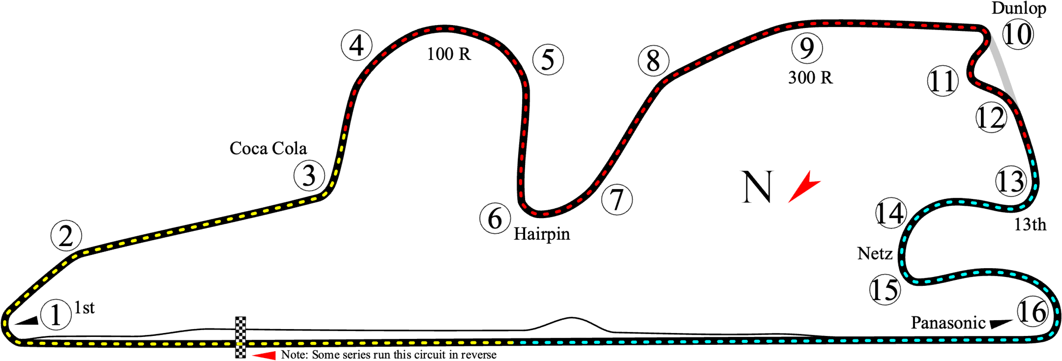
WORLD TOUR BY TEAM LION MOTORSPORT
GARA 3
DIREZIONE GARA |  |  |  |  |  | Provvedimento n. 3
N. | LOBBY | ID PSN | ID GT7 | PENALITA' | POSIZIONI PERSE | MOTIVAZIONE
1 | 1 | DCT-bazzo | Mister Bazzo | 10 secondi | 1 | Per il contatto alla curva 10 del giro 22
2 | 1 | Stefanostefanof | CSC_stefano | 0 punti in gara 3 e partenza in fondo alla griglia in gara 4 | - | Per aver causato i vari contatti alla curva 1 del giro 1
3 | 2 | freshofthezone | Frescodizona | 10 secondi | 0 | Per il contatto alla curva 1 del giro 5
4
5 |  |  |  | +
6 |  |  |  | +
7 |  |  |  | +
8 |  |  |  | +
NOTE

